SA3. Life's Story Exercise
Life's Story Exercise |  |  | <<Back

1. Write your Life's Story in 400 words or less in the space to the right or on paper or in a word processor as you wish. |  | (Write your Life's Story in 400 words or less here.)

 | 2. List the key events in your story in the column below to the left. E.g. Parent's Divorce, etc.
 | 3. Insert your own rating numbers in the Rating column. The chart will generate automatically.
 | 4. Write in the "Lesson Learned" column the key lessons or life's lessons you learned from each event/incident.
 | 2
 | 3
 | 4
 | 5
 | -4
 | -3
 | 5
 | -4
 | 3
 | -2
 | 5
 | 3
 | -4
 | -5
 | 2
 | 3
 | -1
 | 5
Key Events | Emotional Rating | Lesson Learned
 | 2
 | 3
 | 4
 | 5
 | -4
 | -3
 | 5
 | -4
 | 3
 | -2
 | 5
 | 3
 | -4
 | -5
 | 2
 | 3
 | -1
 | 5

 |  | "These data describe a person who …"
 |  | (When you're ready, you can copy the three columns below to your INFERENCES page for your convenience.)
 | TOOL | INFERENCES: | Related TOPIC
 | LSE
 | LSE
 | LSE
 | LSE
 | LSE
 | LSE
 | LSE
 | LSE
 | LSE
 | LSE
 | LSE
 | LSE
 | LSE
 | LSE
 | LSE
 | LSE
 | LSE
 | LSE
 | LSE
 | LSE
 | LSE
 | LSE
 | LSE
 | LSE
 | LSE
 | LSE
 | LSE
 | LSE
 | LSE
 | LSE
 | LSE
 | LSE

SA4. Figure Test
Figure Test |  |  | <<Back

Environment Active | 2
Environment Passive | 4
Sub-Total | 6
People Affection | 2
People Aggression | 3
People Communication | 2
People Dependence | 1
People Direction | 2
People Exhibition | 3
Sub-Total | 13
Grand Total | 19
 | You can take the Figure Test on the FindingFIT website.
 |  | Replace these green TALLY numbers with your own tallies. The %'s and the chart will generate automatically.
 |  | Tallies | %
Environment
 | Environment Active | 2 | 10.5%
 | Environment Passive | 4 | 21.1%
 | Sub-Total | 6 | 31.6%
People
 | People Affection | 2 | 10.5%
 | People Aggression | 3 | 15.8%
 | People Communication | 2 | 10.5%
 | People Dependence | 1 | 5.3%
 | People Direction | 2 | 10.5%
 | People Exhibition | 3 | 15.8%
 | Sub-Total | 13 | 68.4%
Other
 | Grand Total | 19 | 100.0%

INFERENCES
"These data describe a person who …"
TOOL | INFERENCES: | Related TOPIC
FIGTEST
FIGTEST
FIGTEST
FIGTEST
FIGTEST
FIGTEST
FIGTEST
FIGTEST
FIGTEST
FIGTEST
FIGTEST
FIGTEST
FIGTEST
FIGTEST
FIGTEST
FIGTEST
FIGTEST
FIGTEST
FIGTEST
FIGTEST
FIGTEST
FIGTEST
FIGTEST
FIGTEST
FIGTEST
FIGTEST
FIGTEST
FIGTEST
FIGTEST
FIGTEST
FIGTEST
FIGTEST

SA6. Career Concepts
Career Concepts |  |  |  | <<Back
 | Follow your instructor's guidance in using either the on-line or paper version of this instrument.
 | The on-line version is here --> |  |  | http://virginia.qualtrics.com/SE/?SID=SV_e8Pdgv8sZERdluQ

 | When you're done, insert your data in the green cells. The rest is automatic.
 | Part One | Part Two | Total
Linear | 24 | 23 | 47
Technical Expert | 22 | 21 | 43
Spiral | 1 | 2 | 3
Transitory | 22 | 33 | 55

 |  |  |  | "These data describe a person who …"
 |  |  |  | When you're ready (having finished making inferences and noting their related TOPICs), copy the three columns below into your INFERENCES page.
 |  |  |  | Tool | INFERENCES | Related TOPIC
 |  |  |  | CARCON
 |  |  |  | CARCON
 |  |  |  | CARCON
 |  |  |  | CARCON
 |  |  |  | CARCON
 |  |  |  | CARCON
 |  |  |  | CARCON
 |  |  |  | CARCON
 |  |  |  | CARCON
 |  |  |  | CARCON
 |  |  |  | CARCON
 |  |  |  | CARCON
 |  |  |  | CARCON
 |  |  |  | CARCON
 |  |  |  | CARCON
 |  |  |  | CARCON
 |  |  |  | CARCON
 |  |  |  | CARCON
 |  |  |  | CARCON
 |  |  |  | CARCON
 |  |  |  | CARCON
 |  |  |  | CARCON

SA8. SMS
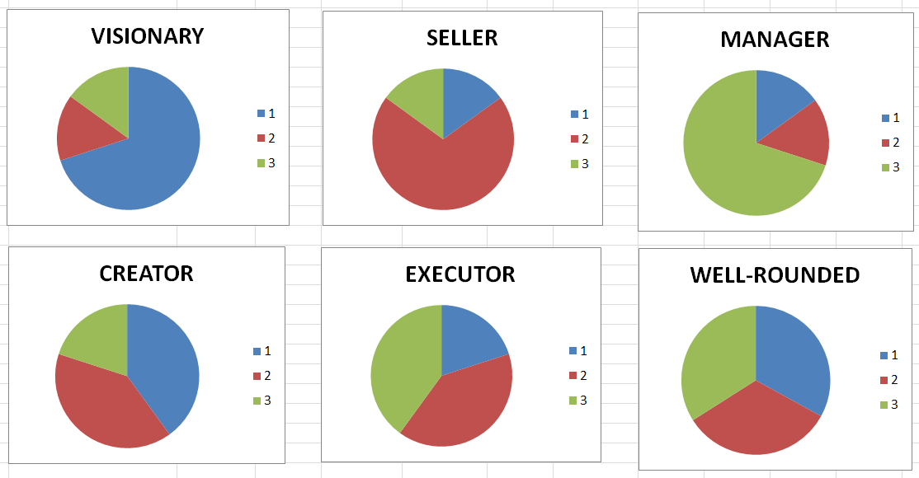
Survey of Managerial Style (SMS) |  |  |  |  |  | <<Back

You can link to the on-line version of this instrument here. --> |  |  | http://virginia.qualtrics.com/SE/?SID=SV_dnxICDUXE6QpbvL

Insert your scores in the green cells in the table below. The bar and pie charts will generate automatically.
 |  |  |  | VALUE OF LEADERSHIP TOTAL SCORE
 | CLUSTER SKILL SET | SCORES | %'s
 | VISION = | 6 | 16.2% |  | 15-29 | 30-44 | 45-59 | 60-74 | 75-90
 | 0 | 37
 | SELLING = | 15 | 40.5%
MANAGING = |  | 16 | 43.2%
 | Total = | 37

Copy this section to your INFERENCES page when you're done analyizing.
"These data describe a person who …" |  |  |  | VALUE OF LEADERSHIP SKILL CLUSTERS PROPORTIONALLY
SOURCE | INFERENCES | TOPIC
SMS
SMS
SMS
SMS
SMS
SMS
SMS
SMS
SMS

 |  |  |  | The Profiles below illustrate some common alternatives.

SA9. LSA
Leadership Steps Assessment (LSA) |  |  |  | <<Back

This instrument is available in paper or on-line at FindingFIT.
 |  | The on-line version is here: | http://virginia.qualtrics.com/SE/?SID=SV_8kK6FJQBy0InfHS

Clarifying Your Center |  | 22
Clarifying What's Possible |  | 32
Clarifying What Others Can Contribute |  | 21
Supporting Others So They Can Contribute |  | 26
Relentlessness |  | 34
Celebrating Progress |  | 16
 |  |  | YOUR SCORES
 | Clarifying Your Center |  | 22
 | Clarifying What's Possible |  | 32
 | Clarifying What Others Can Contribute |  | 21
 | Supporting Others So They Can Contribute |  | 26
 | Relentlessness |  | 34
 | Celebrating Progress |  | 16

 | What Inferences can you draw from your profile?
 | This is a person who…
 | Source | Inference | Topic
 | LSA
 | LSA
 | LSA
 | LSA
 | LSA
 | LSA
 | LSA
 | LSA
 | LSA
 | LSA
 | LSA
 | LSA
 | LSA
 | LSA
 | LSA
 | LSA
 | LSA
 | LSA
 | LSA
 | LSA
 | LSA
 | LSA
 | LSA
 | Copy this section to your INFERENCES page when you're done.

SA12. Balance Wheel Development
BALANCE WHEEL ANALYSIS |  |  |  | <<Back
 |  |  | To be used with "Balancing Your Life" exercise (UVA-OB-323) or from Level Three Leadership Book 5e
 |  |  | On the wheel, the scale is 1 = "No development/infantile", 5 = "Average" and 10 = "World Class among all humans."
BALANCE WHEEL FOR Hassan Shahrasebi
 | 1 | 1
Complete your own Balance Wheel with Current and Ideal ratings in the green cells below. The chart will self generate.
VALID RATINGS ARE BETWEEN 1-10 where 10 is "world class."

PROFESSIONAL
PERSONAL
SOCIAL
SOCIETAL
 |  | CURRENT | IDEAL
Professional | Professional Status | 1 | 2
Financial | Net Wealth | 1 | 2
Material | Houses, cars, etc. | 1 | 2
Associational | Professional Associates | 1 | 2
Physical | Fitness | 4 | 2
Intellectual | Intelligence | 4 | 2
Emotional | Maturity | 4 | 2
Recreational | Leisure time & recreation | 1 | 2
Familial | Taking care of parents | 1 | 2
Marital | As a spouse | 1 | 2
Parental | As a parent | 1 | 2
Social | Personal Friends | 1 | 2
Neighborhood | Involved in neighborhood | 1 | 2
Ecclesiastical | Involved at church | 1 | 2
Societal | Involved in community | 1 | 2
Political | Involved in politics | 1 | 2

"These data describe a person who …"
When you're ready (having finished making inferences and noting their related TOPICs), copy the three columns below into your INFERENCES page.
Tool | INFERENCES | Related TOPIC
BalWheel
BalWheel
BalWheel
BalWheel
BalWheel
BalWheel
BalWheel
BalWheel
BalWheel
BalWheel
BalWheel
BalWheel
BalWheel
BalWheel
BalWheel
BalWheel
BalWheel
BalWheel
BalWheel
BalWheel
BalWheel
BalWheel

SA15. LSS
CAP Learning Style Survey (LSS) |  |  |  |  | <<Back

This instrument is available in paper or on-line on FindingFIT.
 |  |  | The on-line version is here: | http://virginia.qualtrics.com/SE/?SID=SV_bfFZJAR3iKgvAtD
 |  |  |  |  | Insert your scores in the green cells and the chart will re-generate.
 |  |  |  | Your Scores
 |  | Mentoring | = | 15
 |  | Role-Taking | = | 43
 |  | Practical Accomplishment | = | 13
 |  | Validational | = | 23
 |  | Anticipatory | = | 34
 |  | Scientific | = | 23

 | What Inferences can you draw from your profile?
 | This is a person who…
 | Source | Inference | Topic
 | LSS
 | LSS
 | LSS
 | LSS
 | LSS
 | LSS
 | LSS
 | LSS
 | LSS
 | LSS
 | LSS
 | LSS
 | LSS
 | LSS
 | LSS
 | LSS
 | LSS
 | LSS
 | LSS
 | LSS
 | LSS
 | LSS
 | LSS
 | Copy this section to your INFERENCES page when you're done.

